Manufacture Info
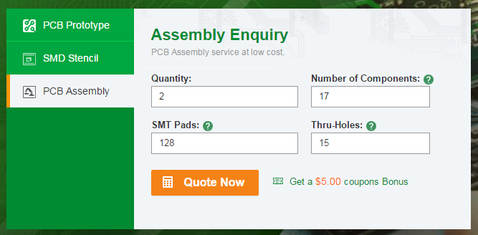
M

Board Dimensions:
50.8mm X 33.52 mm

Board Dimensions:
15.24x15.24 (600MIL square)

